Sheet1

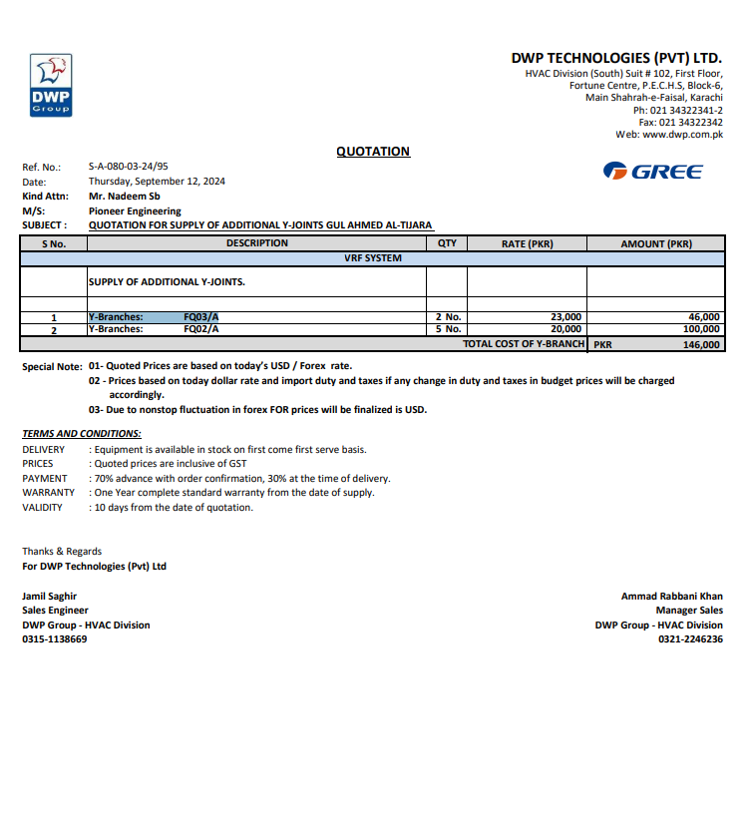

M/S DWP TECHNOLOGIES (PVT) LTD |  |  |  |  | 12-Sep-24
PO # 172

Att: Mr. Ammad Rabbani

PURCHASE ORDER

SUPPLY OF SUPPLY OF ADDITIONAL Y-JOINTS. for the project (Gul Ahmed Energy Limited 7th Floor Al Tijarah Center Karachi)
S No. | D e s c r i p t i o n | Qty | Unit | Rate | Amount

1 | SUPPLY OF ADDITIONAL Y-JOINTS.
i | Y-Branches: FQ03/A | 2 | No | 23,000 | 46,000
ii | Y-Branches: FQ03/A | 5 | No | 20,000 | 100,000
 |  | TOTAL: |  |  | 146,000

for PIONEER ENGINEERING SERVICES

